Introduction
Center for Digital Transformation
TUM School of Management
Technical University of Munich
Newsvendor Model
Service level (SL) is the probability of meeting all demands.
$$Service Level, SL=\frac{Price−cost}{Price}= \frac{Underage cost}{Overage cost+Underage cost}$$

$$Critical fractile=\frac{Price−cost}{Price}$$

Optimal Quantity Q* is the solution to
$$\frac{Price−cost}{Price}=Probability(Demand≤Q)$$

Task 1
Center for Digital Transformation
TUM School of Management
Technical University of Munich
1 | A coffee shops sells their special donuts from 8 AM to 6 PM. It costs the shop 0.5 € to buy the donuts from a manufacturer, and they sell it for 2 € each. The donuts lasts exactly one day and has 0 salvage value. Any unsold donut must be disposed off and it is a loss to the coffee shop. The probability of selling the croissants is provided in the graph below and in the adjacent table. a. What is the probability of meeting all demands? b. How many donuts should the coffee shop order? |  |  |  | NUMBER OF DONUTS | PROBABILITY OF SELLING
 |  |  |  |  | 0 | 100%
 |  |  |  |  | 1 | 95%
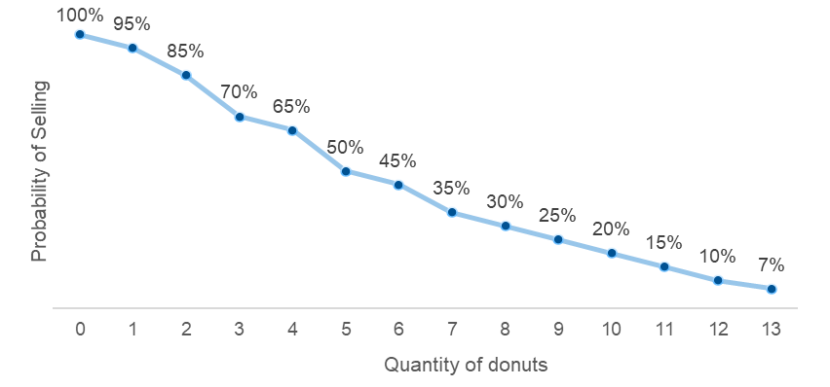
 |  |  |  |  | 2 | 85%
 |  |  |  |  | 3 | 70%
 |  |  |  |  | 4 | 65%
 |  |  |  |  | 5 | 50%
 |  |  |  |  | 6 | 45%
 |  |  |  |  | 7 | 35%
 |  |  |  |  | 8 | 30%
 |  |  |  |  | 9 | 25%
 |  |  |  |  | 10 | 20%
 |  |  |  |  | 11 | 15%
 |  |  |  |  | 12 | 10%
 |  |  |  |  | 13 | 7%

 | a. | Cost | c | 0.5
 |  | Price | p | 2
 |  | Optimal Service Level | SL
 | b.

Task 2
Center for Digital Transformation
TUM School of Management
Technical University of Munich
2 | A flower vendor in the Netherlands sources bouquets from the floral retailer at a cost of 16.5 € each and sells them at price of 50€ each. The demand for the bouquet at any given day is assumed to be normally distributed with a mean 2500 and standard deviation of 450. The retailer does not take back any unsold bouquets, and the unsold bouquet must be thrown away. a. Calculate the optimal service level. How does the service level change if the standard deviation of demand distribution changes for all other parameters being equal? b. Calculate the optimal order quantity. How does the optimal order quantity changes if the standard deviation changes for all other parameters being equal? c. How does optimal order quantity changes when Service level is changes with standard deviation?

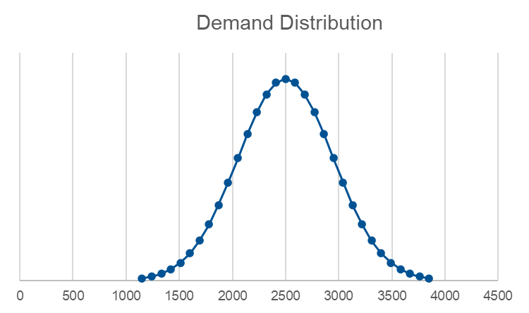
Demand Distribution
 | 1

 | a. |  | Cost | c | 16.5
 |  |  | Price | p | 50
 |  |  | Optimal Service Level | SL
 | b. |  | Mean Demand | μ | 2500
 |  |  | Standard Deivation | σ | 450
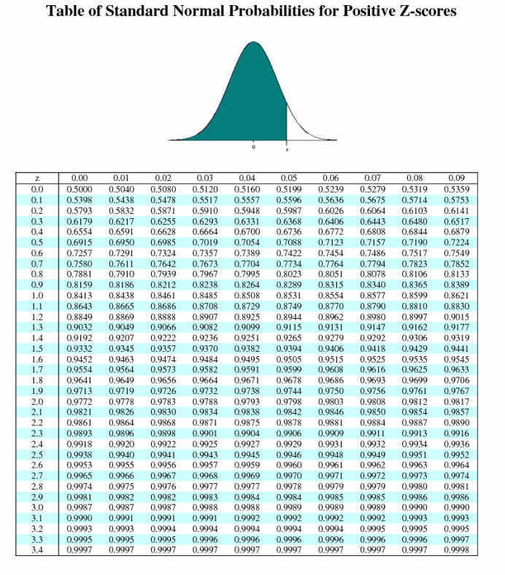

 |  |  | Z-Score | z
 |  |  | Optimal Order Quantity | Q* |  | = μ + (z x σ)

 |  |  |  | Standard Deviation σ | Optimal Order Quantity Q*
 |  |  |  | 200
 |  |  |  | 400
 |  |  |  | 450
 |  |  |  | 500
 |  |  |  | 700

 | c.
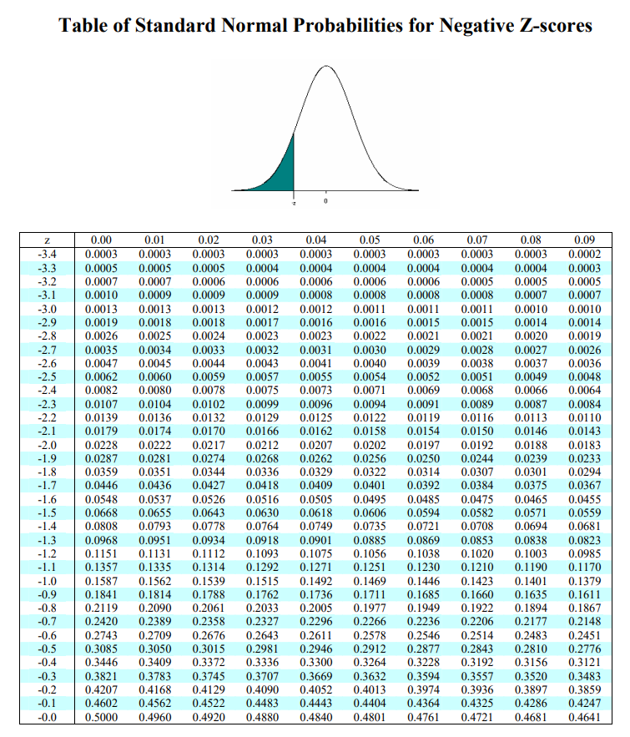

 |  |  | Service Level SL | Standard Deviation σ | Optimal Order Quantity Q*
 |  |  | 33% | 200
 |  |  |  | 400
 |  |  |  | 450
 |  |  |  | 500
 |  |  |  | 700
 |  |  | 50% | 200
 |  |  |  | 400
 |  |  |  | 450
 |  |  |  | 500
 |  |  |  | 700

 |  | Optimum order quantity, Q* (for SL > 50%) __________ if the standard deviation is increased.
 |  | Optimum order quantity, Q* (for SL < 50%) __________ if the standard deviation is increased.
 |  | Optimum order quantity, Q* (for SL = 50%) __________ if the standard deviation is changed.

Task 3
Center for Digital Transformation
TUM School of Management
Technical University of Munich
3 | The underage costs for a watch is $3495 and the overage costs are $2840. The demand for these watches on any given day can be assumed to be normally distributed with a mean of 20 and standard deviation of 4. a. What is the optimal in-stock probability? b. How much units must be ordered each week, considering the store is open from Monday - Saturday? Also calculate what is the optimal order quantity when the store is operating only on Sunday.

 | a. | Underage Cost | CU | 3495
 |  | Overage Cost | CO | 2840
 |  | Optimal Service Level | SL
 | b. | Working days/week
 |  | Mean Demand | μ | 20
 |  | Standard Deivation | σ | 4
 |  | Weekly Mean Demand | μweekly |  | = μ x (Working days/week)
 |  | Weekly Standard Deivation | σweekly |  | = σ x sqrt(Working days/week)
 |  | Z-Score | z
 |  | Daily Optimal Order Quantity | Q*daily
 |  | Weekly Optimal Order Quantity | Q*weekly

